Figure1. PCE Map
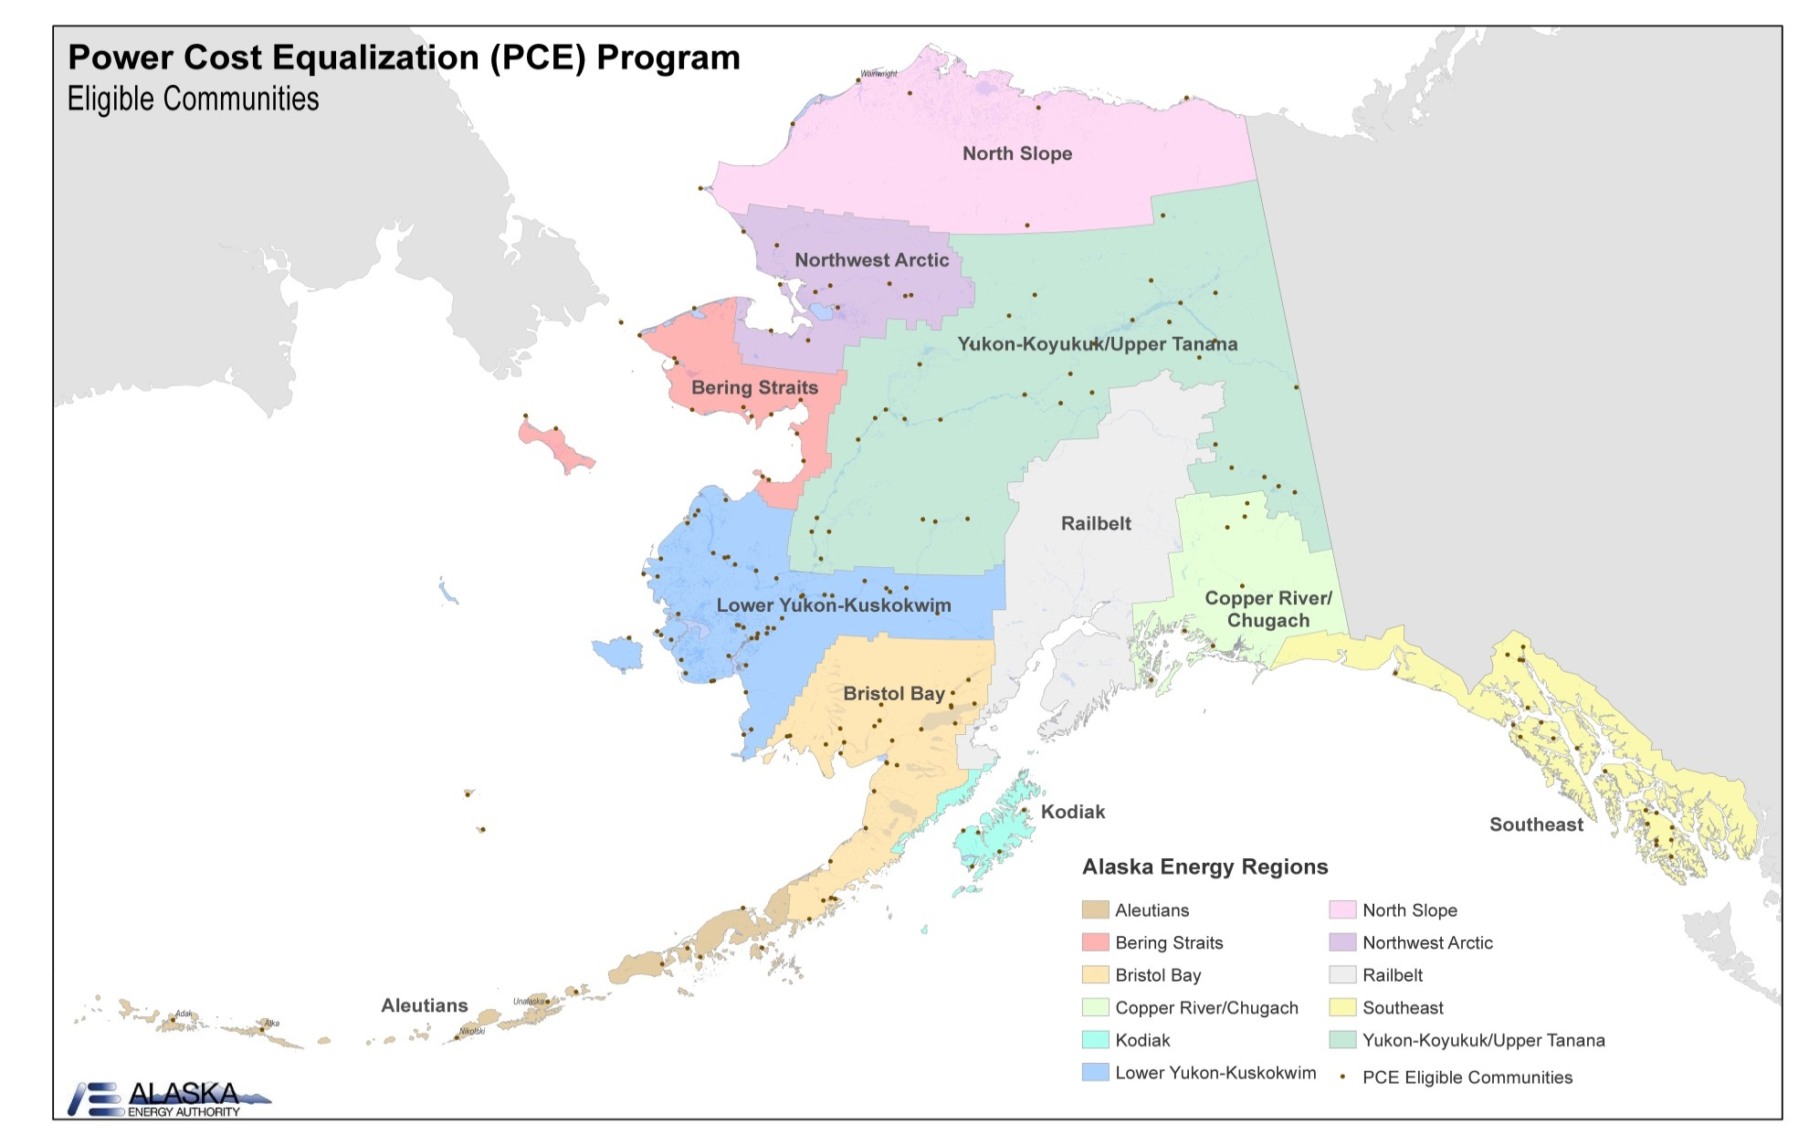
Figure 1. PCE Eligible Communities, 2011

Summary Figures
Figure 2. Residential Electricity Rates in Power Cost Equalization Communities
 | PCE Rate | Effective Rate
 | 0.95 | 0.71
 | 0.75 | 0.54
 | 0.67 | 0.46
 | 0.91 | 0.45
 | 1.02 | 0.45
 | 0.95 | 0.44
 | 0.65 | 0.39
 | 0.80 | 0.39
 | 0.87 | 0.39
 | 0.84 | 0.38
 | 0.75 | 0.38
 | 0.90 | 0.37
 | 0.69 | 0.36
 | 0.70 | 0.34
 | 0.59 | 0.33
 | 0.77 | 0.33
 | 0.86 | 0.33
 | 0.69 | 0.31
 | 0.80 | 0.31
 | 0.42 | 0.31
 | 0.83 | 0.31
 | 0.69 | 0.31
 | 0.58 | 0.31
 | 0.69 | 0.30
 | 0.70 | 0.30
 | 0.71 | 0.30
 | 0.63 | 0.30
 | 0.81 | 0.28
 | 0.42 | 0.28
 | 0.72 | 0.28
 | 0.45 | 0.28
 | 0.60 | 0.27
 | 0.51 | 0.27
 | 0.55 | 0.26
 | 0.77 | 0.26
 | 0.60 | 0.26
 | 0.63 | 0.26
 | 0.57 | 0.26
 | 0.53 | 0.26
 | 0.60 | 0.25
 | 0.83 | 0.25
 | 0.58 | 0.25
 | 0.52 | 0.25
 | 0.50 | 0.24
 | 0.45 | 0.24
 | 0.78 | 0.24
 | 0.49 | 0.24
 | 0.59 | 0.23
 | 0.67 | 0.23
 | 0.83 | 0.23
...

Source: Alaska Enerty Authority, Power Cost Equalization program data, 2011, and authors' calculations.

Figure 3. Average Price of Electricity for All Consumers in Alaska, 1970 -2011
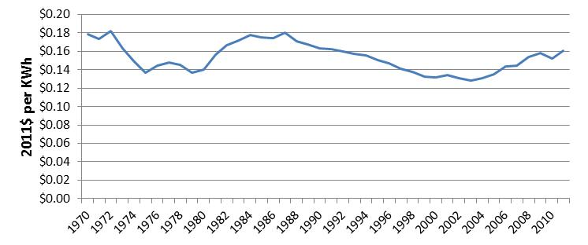

Source: U.S. Energy Information Administration, State Energy Data System.

Figure 4. Average Residential Price of Electricity of Selected Alaska Communities, 1996 – 2011
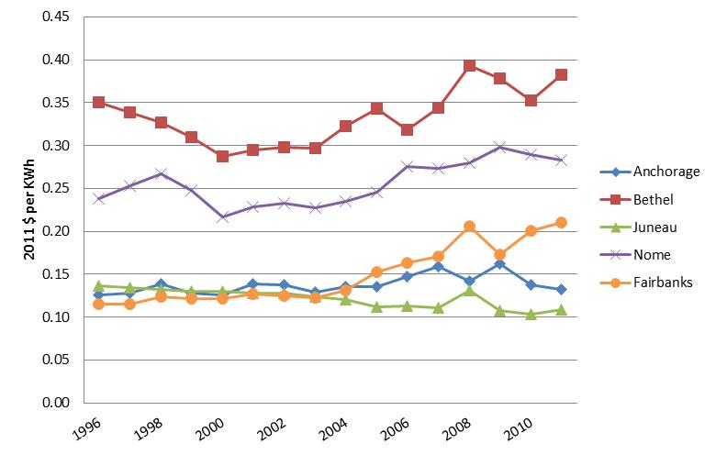

Note: Estimated average price for electricity households paid based on a 1000 kilowatt-hours per household per month consumption level. Hence, for communities participating in the Power Cost Equalization program, the price is a weighted average. PCE assistance is received for only the first 500 kilowatt-hours per month per households consumed.
Source: University of Alaska Fairbanks, Cooperative Extension Service Alaska Food Cost Survey and authors’ calculations.

Figure 5. Installed Capacity by Prime Mover by Certified Utilities (kW), 2011
 |  | Prime Mover | Total kW | Percent of Statewide Total
 |  | Fossil Fuel Turbines | 1,295,200 | 59%
 |  | Reciprocating Internal Combustion Engine | 449,840 | 20%
 |  | Hydroelectric | 438,160 | 20%
 |  | Wind | 13,850 | 1%
 |  | Total | 2,197,050 | 100%

Source: U.S. Energy Information Administration, Alaska Energy Authority Village Assessment Preliminary Dataset and authors’ calculations. Values are rounded to the nearest 10.

Figure 6. Installed Capacity by Prime Mover by Certified Utilities (kW), 1962-2011
 | Fossil Fuel Turbines | Internal Combustion (diesel, piston) | Hydro | Wind Turbine
1962 | 45,675 | 41,993 | 82,300
1963 | 72,575 | 47,368 | 82,300
1964 | 86,800 | 49,482 | 82,300
1965 | 101,150 | 59,437 | 82,225
1966 | 102,650 | 69,273 | 82,225
1967 | 102,650 | 81,023 | 76,600
1968 | 171,450 | 89,538 | 78,700
1969 | 171,450 | 98,963 | 76,600
1970 | 206,740 | 123,256 | 76,600
1971 | 257,053 | 140,627 | 75,275
1972 | 314,389 | 144,975 | 74,275
1973 | 381,350 | 147,700 | 121,000
1974 | 453,324 | 148,054 | 122,260
1975 | 464,257 | 176,706 | 122,535
1976 | 643,454 | 205,110 | 123,235
1977 | 692,074 | 223,736 | 122,460
1978 | 788,614 | 221,516 | 122,460
1979 | 900,914 | 233,611 | 123,310
1980 | 924,174 | 237,703 | 123,360
1981 | 1,008,374 | 251,745 | 123,690
1982 | 1,008,274 | 255,790 | 154,280
1983 | 1,028,574 | 269,683 | 153,780
1984 | 1,105,654 | 276,841 | 222,990
1985 | 1,078,100 | 299,614 | 224,000
1986 | 1,126,100 | 317,500 | 225,600
1987 | 1,111,600 | 316,148 | 227,625
1988 | 1,049,400 | 325,924 | 228,360
1989 | 1,038,700 | 311,301 | 260,965
1990 | 1,036,100 | 312,760 | 255,907
1991 | 1,042,700 | 324,851 | 365,607
1992 | 1,045,500 | 328,758 | 365,632
1993 | 1,040,700 | 336,430 | 364,357
1994 | 1,060,200 | 345,383 | 365,482
1995 | 1,060,200 | 347,393 | 369,982
1996 | 1,295,925 | 418,449 | 364,461
1997 | 1,247,850 | 335,392 | 377,094 | 195
1998 | 1,292,925 | 458,173 | 373,685 | 325
1999 | 1,295,725 | 472,903 | 388,085 | 780
2000 | 1,300,925 | 493,437 | 400,085 | 780
2001 | 1,339,150 | 475,736 | 443,442 | 780
2002 | 1,360,100 | 317,300 | 400,100 | 880
2003 | 1,246,900 | 323,600 | 400,100 | 1140
2004 | 1,246,900 | 323,600 | 400,100 | 1140
2005 | 1,176,200 | 317,900 | 395,100 | 1270
2006 | 1,186,300 | 325,500 | 396,300 | 2355
2007 | 1,294,800 | 335,500 | 396,300 | 2355
2008 | 1,294,800 | 359,300 | 399,300 | 3330
2009 | 1,294,800 | 434,464 | 441,179 | 7884
2010 | 1,295,200 | 453,564 | 441,929 | 11706.6
2011 | 1,295,200 | 449,839 | 438,159 | 13846

Source: U.S. Energy Information Administration, Alaska Energy Authority Village Assessment Preliminary Dataset and authors’ calculations.

Figure 7. Net Generation by Fuel Type by Certified Utilities (MWh), 2011
Oil | 16%
Gas | 58%
Coal | 6%
Hydro | 20%
Wind | 0%

ource: U.S. Energy Information Administration, Power Cost Equalization program data and authors’ calculations.

Figure 8. Net Generation by Fuel Type by Certified Utilities (GWh), 1971-2011
 | Gas | Oil | Coal | Hydro | Wind
1971 | 614 | 195 | 262
1972 | 748 | 193 | 266
1973 | 950 | 189 | 267
1974 | 1,047 | 203 | 299 | 319
1975 | 1,311 | 277 | 323 | 351
1976 | 1,468 | 351 | 314 | 369
1977 | 1,537 | 378 | 297 | 498
1978 | 1,690 | 388 | 323 | 463
1979 | 1,827 | 383 | 308 | 450
1980 | 1,844 | 368 | 290 | 532
1981 | 1,897 | 338 | 338 | 581
1982 | 2,211 | 466 | 354 | 576
1983 | 2,338 | 526 | 331 | 586
1984 | 2,512 | 541 | 308 | 696
1985 | 2,631 | 538 | 290 | 775
1986 | 2,749 | 535 | 272 | 854
1987 | 2,790 | 459 | 276 | 898
1988 | 2,767 | 451 | 295 | 989
1989 | 2,875 | 486 | 307 | 935
1990 | 2,886 | 449 | 316 | 1,024
1991 | 2,666 | 547 | 323 | 1,085
1992 | 2,569 | 530 | 302 | 1,337
1993 | 2,476 | 575 | 322 | 1,359
1994 | 2,654 | 593 | 294 | 1,384
1995 | 2,660 | 591 | 309 | 1,459
1996 | 2,844 | 643 | 229 | 1,266
1997 | 3,031 | 741 | 237 | 1,099
1998 | 2,549 | 757 | 171 | 1,113
1999 | 2,838 | 798 | 156 | 817
2000 | 3,194 | 557 | 185 | 1,002
2001 | 3,028 | 848 | 194 | 1,346 | 1
2002 | 2,953 | 875 | 205 | 1,439
2003 | 3,148 | 775 | 168 | 1,583
2004 | 3,475 | 682 | 211 | 1,498
2005 | 3,577 | 686 | 219 | 1,464 | 0.589
2006 | 3,940 | 694 | 210 | 1,224 | 0.788001
2007 | 3,788 | 853 | 214 | 1,291
2008 | 3,942 | 928 | 220 | 1,172 | 2.25
2009 | 3,519 | 1,183 | 422 | 1,309 | 9.152
2010 | 3,690 | 953 | 394 | 1,429 | 20.348
2011 | 3,783 | 1,020 | 387 | 1,340 | 21.194265

Source: U.S. Energy Information Administration, Power Cost Equalization program data and authors’ calculations.

Figure 9. Distribution of Fuel Used for Power Generation by Certified Utilities (MMBtu), 2011
Oil | 9,635,990
Gas | 41,961,200
Coal | 7,763,020

Source: U.S. Energy Information Administration, Power Cost Equalization program data and authors’ calculations.
Note: Distribution based on MMBtu values. Total MMBtu= | 59,360,210

Figure 10. Fuel Oil Used for Electricity Generation by Certified Utilities, by Energy Regions (%), 2011
Aleutians | 4,221,440
Bering Straits | 3,548,340
Bristol Bay | 3,628,030
Copper River/Chugach | 4,658,330
Kodiak | 1,772,550
Lower Yukon-Kuskokwim | 7,129,680
North Slope | 2,162,790
Northwest Arctic | 2,471,750
Railbelt | 34,486,410
Southeast | 2,687,200
Yukon-Koyukuk/Upper Tanana | 2,557,160

Source: U.S. Energy Information Administration, Power Cost Equalization program data and authors’ calculations.

Figure 11. Electricity Sales per Capita by Certified Utilities (MWh), 1962-2011
 | Total Electricity Sales per Capita (kWh) | Residential Sales per Capita (kWh)
1962 | 1,812 | 886
1963 | 2,065 | 932
1964 | 2,220 | 999
1965 | 2,323 | 1,044
1966 | 2,556 | 1,116
1967 | 2,828 | 1,252
1968 | 2,952 | 1,285
1969 | 3,245 | 1,415
1970 | 3,417 | 1,507
1971 | 3,766 | 1,680
1972 | 4,115 | 1,853
1973 | 4,464 | 2,026
1974 | 4,813 | 2,199
1975 | 5,162 | 2,371
1976 | 5,493 | 2,461
1977 | 5,803 | 2,607
1978 | 6,113 | 2,753
1979 | 6,423 | 2,899
1980 | 6,732 | 3,043
1981 | 6,706 | 2,972
1982 | 6,986 | 3,145
1983 | 6,821 | 3,039
1984 | 6,943 | 3,032
1985 | 6,994 | 3,051
1986 | 7,339 | 2,925
1987 | 7,265 | 2,849
1988 | 7,513 | 2,951
1989 | 7,690 | 3,037
1990 | 7,657 | 2,977
1991 | 7,473 | 2,836
1992 | 7,373 | 2,797
1993 | 7,318 | 2,728
1994 | 7,577 | 2,812
1995 | 7,710 | 2,845
1996 | 7,897 | 2,918
1997 | 7,940 | 2,831
1998 | 8,256 | 2,865
1999 | 8,509 | 3,000
2000 | 8,451 | 2,952
2001 | 8,566 | 2,980
2002 | 8,517 | 3,011
2003 | 8,567 | 3,059
2004 | 8,775 | 3,126
2005 | 8,862 | 3,090
2006 | 9,165 | 3,143
2007 | 9,302 | 3,109
2008 | 9,209 | 3,100
2009 | 9,010 | 3,043
2010 | 8,673 | 2,936
2011 | 8,665 | 2,957

Source: Energy Information Administration, Alaska Energy Authority Power Cost Equalization Program, Alaska Department of Labor and Workforce Development, Research and Analysis Section; and U.S. Census Bureau, and authors' calculations.
Note: Data for 1971 to 1974 and 1977 to 1979 are estimates. Statewide and residential sales per capita have increased at a rate of 3% per year.

34%
44%
22%
23%
39%
37%
84%
14%
1%
Figure 12. Distribution of Sales, Revenue and Customer by Customer Type by Certified Utilities (%), 2011
 |  |  | Residential | Commercial | Other | Residential | Commercial | Other
 |  | Sales | 2,138,370 | 2,751,350 | 1,375,960 | 34% | 44% | 22%
 |  | Revenue | 379,620 | 403,800 | 238,800 | 37% | 40% | 23%
 |  | Customers | 274,890 | 45,990 | 4,440 | 84% | 14% | 1%

Source: U.S. Energy Information Administration, Power Cost Equalization program data and authors’ calculations.
Note: The category ‘Other’ includes sales to community and governmental facilities as well as industrial sales.

Figure 13. Net Generation by Self Generators Type (GWh), 2011
Industrial | 169,638
Military | 218,401

Source: Energy Information Administration and authors' calculations.

Figure 14. Fuel Used by Fuel Type by Industrial and Military Self Generators (%, Physical Units), 2011
Distillate Fuel Oil | 657,178
Other Biomass Liquids | 41,924
Natural Gas | 814,111
Other Gases | 35,970
Sub-bituminous Coal | 8,511,231

Source: Energy Information Administration and authors' calculations.
Note: Distribution based on fuel MMBtu, physical unit equivalence presented for readers' convenience.

Figure 15. Wind Installed Capacity in Alaska, 1995-2013
 | Wind Installed Capacity; yellow portion is capacity installed after 2011
1995
1996
1997 | 195
1998 | 325
1999 | 780
2000 | 780
2001 | 780
2002 | 880
2003 | 1,140
2004 | 1,140
2005 | 1,270
2006 | 2,355
2007 | 2,355
2008 | 3,330
2009 | 7,884
2010 | 11,707
2011 | 13,846
2012 | 63,851
2013 | 64,751

Source: U.S. Energy Information Administration, Alaska Energy Authority and authors’ calculations.

Figure 16. Wind Net Generation in Alaska, 2008-2011
 | Wind Net Generation
2008 | 2,250
2009 | 9,152
2010 | 20,348
2011 | 21,194

Source: U.S. Energy Information Administration, Alaska Energy Authority and authors’ calculations.

Figure 17. Fuel Displacement by Other Operating Renewable Energy Systems in Alaska, 2011
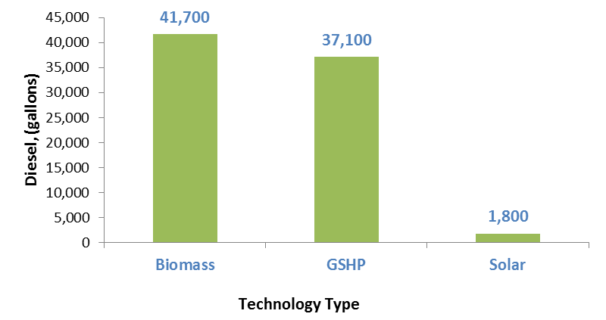

Source: Alaska Energy Authority, Renewable Energy Fund program data; retrieved from the Alaska Energy Data Gateway (https://akenergygateway.alaska.edu/).

Figure 18. Achieving Goal of Statewide Electricity from Renewable Energy Sources
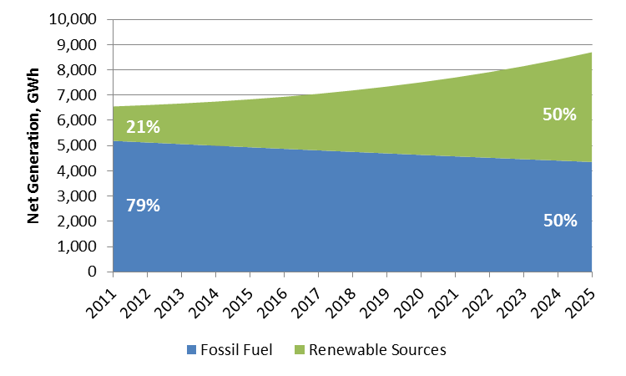

Source: U.S. Energy Information Administration, Power Cost Equalization program data and authors’ calculations.

Figure 19. Alaska Energy Production Estimates by Fuel Type, 2011
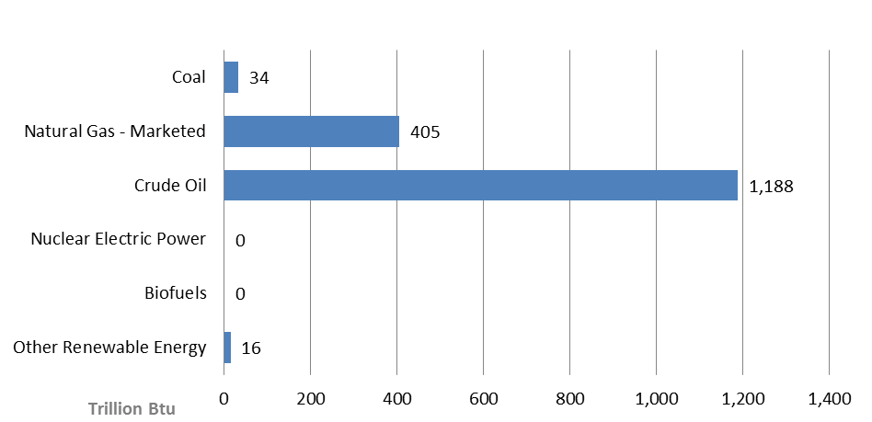

Source: Reproduced image from U.S. Energy Information Administration, State Energy Data System

Figure 20. Alaska Energy Consumption Estimates, 2011
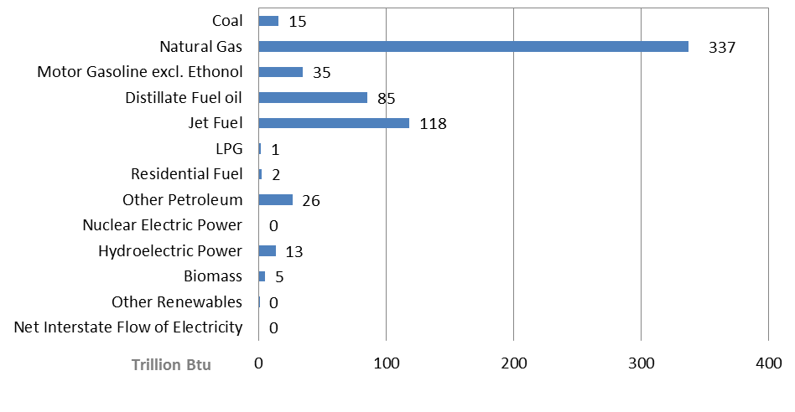

Source: Reproduced image from U.S. Energy Information Administration, State Energy Data System

Figure 21. Alaska Energy Consumption by End-Use Sector, 2011
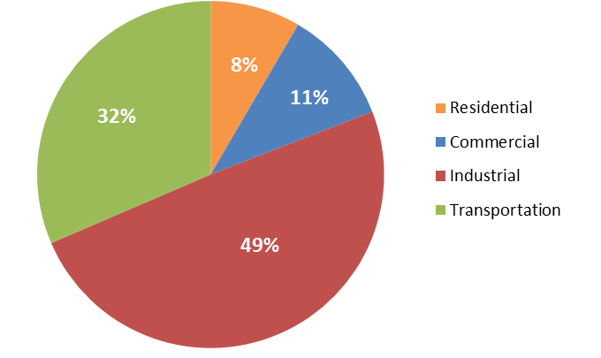

Source: Reproduced image from U.S. Energy Information Administration, State Energy Data System

Figure 22. Energy Consumption per Capita in Alaska, 1960-2011
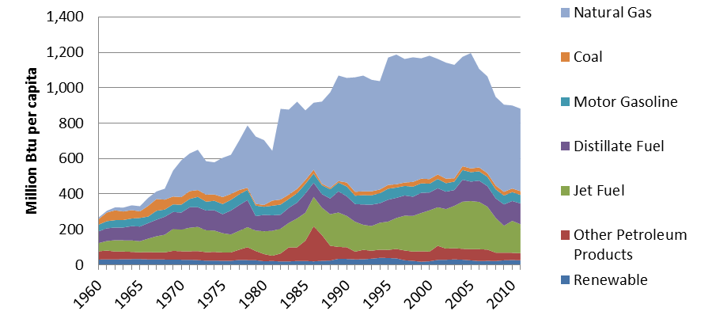

Source: U.S. Energy Information Administration, State Energy Data System

Figure 23. Per Capita Consumption of Petroleum Products in Alaska, 1960-2011
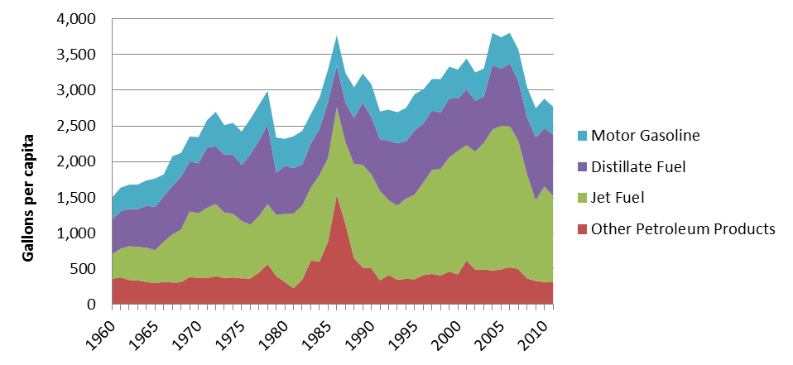

Note: The U.S. Energy Information Agency estimates of energy consumption include energy consumed during oil and gas extraction. Source: U.S. Energy Information Agency and authors’ calculations.

Figure 24. Average Price of Natural Gas for All Consumers in Alaska, 1970 – 2011
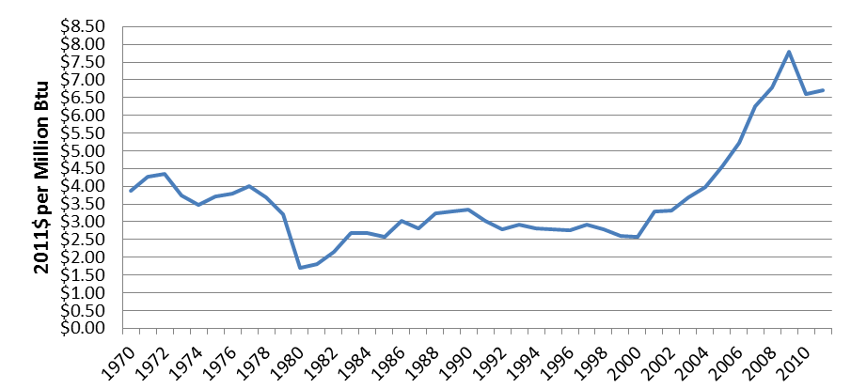

Source: U.S. Energy Information Administration, State Energy Data System.

Figure 25. Average Price of Petroleum Products in Alaska, 1970-2011
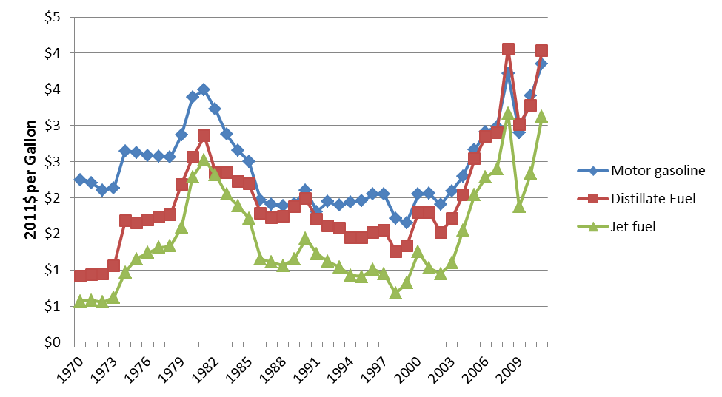

Source: U.S. Energy Information Administration, State Energy Data System.

Figure 26. Price of a Gallon of Gasoline in Selected Alaska Communities, 1996-2011
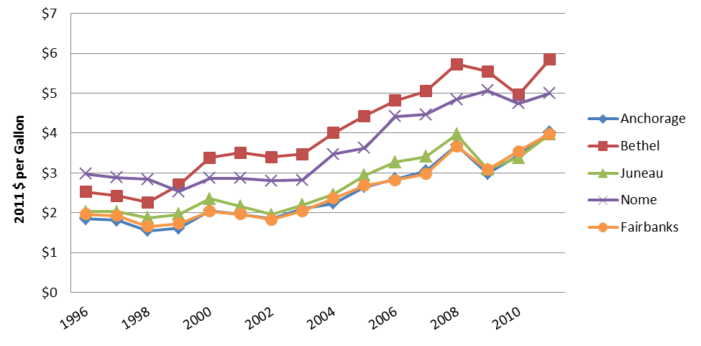

Source: University of Alaska Fairbanks, Cooperative Extension Service Alaska Food Cost Survey and authors’ calculations.

Figure 27. Average Price of Heating Oil in selected Alaska Communities, 1996 – 2011
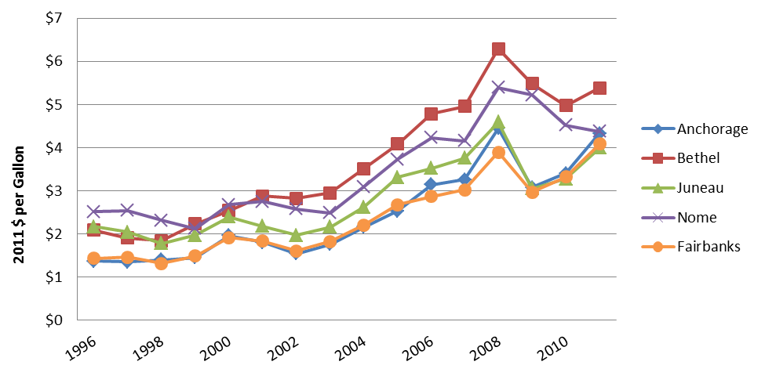

Source: University of Alaska Fairbanks, Cooperative Extension Service Alaska Food Cost Survey and authors’ calculations.

Figure 28. Average Price of Propane in selected Alaska Communities, 1996 – 2011
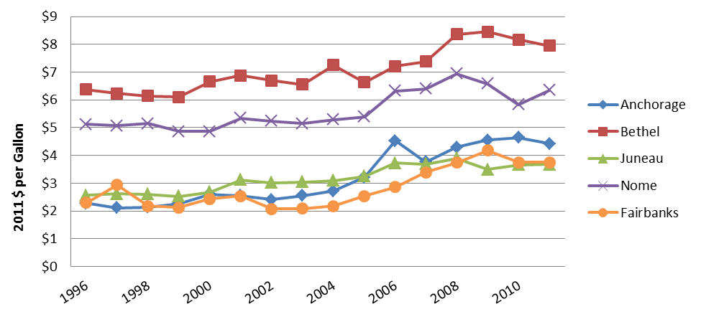

Source: University of Alaska Fairbanks, Cooperative Extension Service Alaska Food Cost Survey and authors’ calculations.

Regional Maps
Alaska Energy Statistics 2003 Regions | Alaska Energy Regions Map
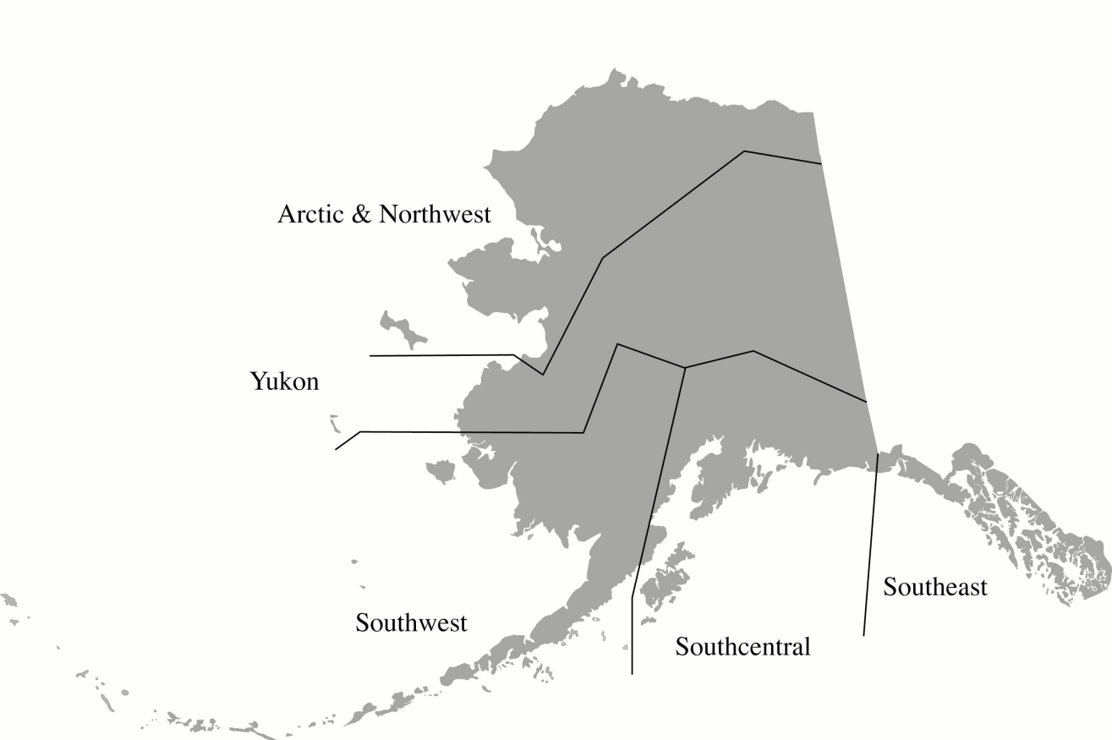
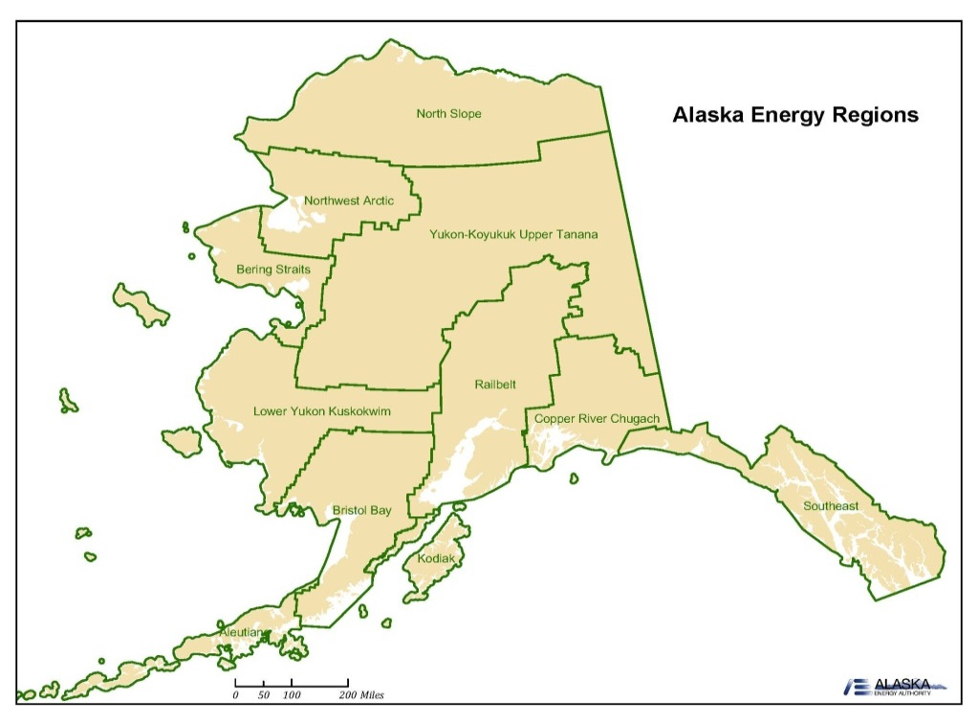

 | Source: Alaska Energy Authority

Native Corporation Regions | Alaska Census Area Map
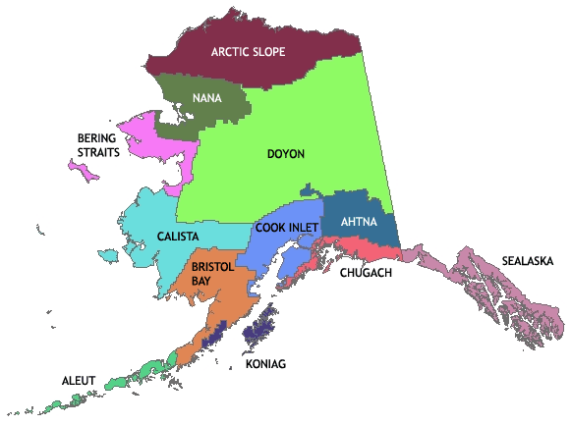
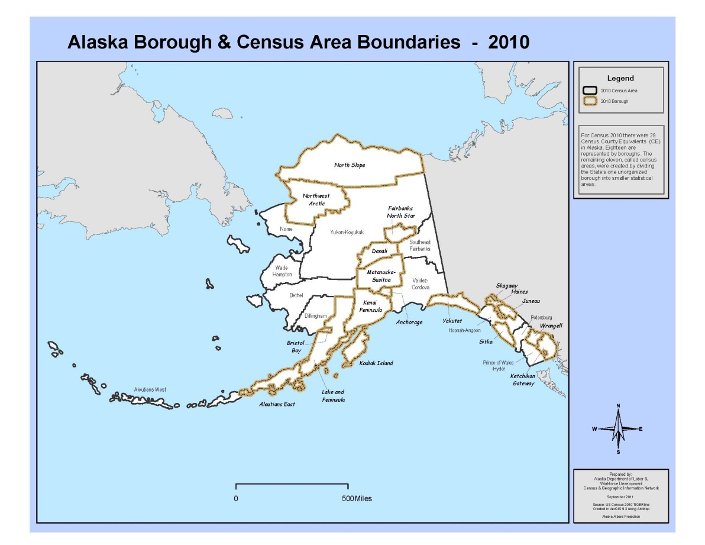

Source: First Alaskans Institute

 |  | Source: 2010 Census, Alaska Department of Labor and Workforce Development

Table 3.2
1) Data before 2001 from the Alaska Energy Statistics Report 2003
a) From AK Electric Power Statistics 1960-1973
b) From AK Electric Power Statistics 1974
c) From AK Electric Power Statistics 1960-1993
d) Data before 1996 from prior AK Power Statistics reports.
e) Data from 1996-2000 from EIA historic tables.
2) Data from 2002-2008 from EIA Annual Electric Generator data file.
f) Data from 2002-2008 not consistent with prior years due to changes in reporting and utilities that failed to report to EIA.
g) Utility totals from 1962 to 1972 and from 1977 to 1979 added to the table published in 2003. Data regarding regional details not available.
3)Figures for 2009 and forward are based on the Energy Statistics publication, including data from EIA and PCE. Data not consistent with prior years due to changes in methodology.
Table 3.2 Installed Capacity by Region by Certified Utilities in Alaska (kW, %), 1962-2011
Year | Notes | Statewide Total | Arctic | % of Statewide Total | South Central | % of Statewide Total | South East | % of Statewide Total | South West | % of Statewide Total | Yukon | % of Statewide Total
1962 | 2,g | 169,968
1963 | 2,g | 202,243
1964 | 2,g | 218,582
1965 | 2,g | 242,812
1966 | 2,g | 254,148
1967 | 2,g | 260,273
1968 | 2,g | 339,688
1969 | 2,g | 347,013
1970 | 2,g | 406,596
1971 | 2,g | 472,955
1972 | 2,g | 533,639
1973 | 1,a | 650,100 | 11,600 | 2% | 369,800 | 57% | 126,300 | 19% | 11,600 | 2% | 130,800 | 20%
1974 | 1,b | 724,200 | 12,100 | 2% | 438,700 | 61% | 129,600 | 18% | 12,300 | 2% | 131,500 | 18%
1975 | 1,b | 763,500 | 14,700 | 2% | 451,500 | 59% | 136,900 | 18% | 20,400 | 3% | 140,000 | 18%
1976 | 1,c | 971,700 | 18,200 | 2% | 556,900 | 57% | 139,700 | 14% | 23,400 | 2% | 233,500 | 24%
1977 | 2,g | 1,038,270
1978 | 2,g | 1,132,590
1979 | 2,g | 1,257,835
1980 | 1,c | 1,283,054 | 27,576 | 2% | 750,087 | 58% | 176,732 | 14% | 28,887 | 2% | 299,772 | 23%
1981 | 1,c | 1,373,734 | 34,769 | 3% | 836,094 | 61% | 175,502 | 13% | 29,867 | 2% | 297,502 | 22%
1982 | 1,c | 1,412,504 | 38,374 | 3% | 848,355 | 60% | 192,802 | 14% | 32,196 | 2% | 300,777 | 21%
1983 | 1,c | 1,447,752 | 41,104 | 3% | 848,255 | 59% | 215,747 | 15% | 38,494 | 3% | 304,152 | 21%
1984 | 1,c | 1,605,485 | 43,789 | 3% | 947,908 | 59% | 272,392 | 17% | 39,884 | 2% | 301,512 | 19%
1985 | 1,c | 1,601,714 | 48,696 | 3% | 926,507 | 58% | 279,995 | 17% | 41,215 | 3% | 305,301 | 19%
1986 | 1,c | 1,683,641 | 47,975 | 3% | 1,009,062 | 60% | 289,487 | 17% | 42,253 | 3% | 294,864 | 18%
1987 | 1,c | 1,655,373 | 51,337 | 3% | 983,122 | 59% | 288,238 | 17% | 45,447 | 3% | 287,229 | 17%
1988 | 1,c | 1,603,984 | 52,784 | 3% | 939,109 | 59% | 291,911 | 18% | 48,910 | 3% | 271,270 | 17%
1989 | 1,c | 1,610,966 | 51,967 | 3% | 939,494 | 58% | 317,846 | 20% | 52,283 | 3% | 249,376 | 15%
1990 | 1,c | 1,604,767 | 58,285 | 4% | 939,487 | 59% | 309,318 | 19% | 53,327 | 3% | 244,350 | 15%
1991 | 1,c | 1,733,158 | 64,115 | 4% | 1,054,479 | 61% | 314,006 | 18% | 55,092 | 3% | 245,466 | 14%
1992 | 1,c | 1,739,890 | 67,227 | 4% | 1,054,499 | 61% | 314,011 | 18% | 57,832 | 3% | 246,321 | 14%
1993 | 1,c | 1,734,468 | 62,323 | 4% | 1,046,065 | 60% | 316,936 | 18% | 62,323 | 4% | 246,821 | 14%
1994 | 1,d | 1,771,065 | 70,107 | 4% | 1,047,945 | 59% | 341,471 | 19% | 62,912 | 4% | 248,630 | 14%
1995 | 1,d | 1,777,575 | 72,336 | 4% | 1,047,575 | 59% | 344,093 | 19% | 64,132 | 4% | 249,439 | 14%
1996 | 1,e | 2,078,865 | 82,394 | 4% | 1,274,326 | 61% | 351,316 | 17% | 60,279 | 3% | 310,550 | 15%
1997 | 1,e | 1,960,366 | 64,829 | 3% | 1,219,884 | 62% | 343,139 | 18% | 47,986 | 2% | 284,528 | 15%
1998 | 1,e | 2,124,813 | 86,440 | 4% | 1,276,954 | 60% | 380,294 | 18% | 64,772 | 3% | 316,353 | 15%
1999 | 1,e | 2,156,743 | 96,177 | 4% | 1,292,639 | 60% | 381,064 | 18% | 66,451 | 3% | 320,412 | 15%
2000 | 1,e | 2,194,477 | 98,247 | 4% | 1,322,809 | 60% | 385,189 | 18% | 66,680 | 3% | 321,552 | 15%
2001 | 1,e | 2,258,905 | 106,952 | 5% | 1,351,937 | 60% | 415,746 | 18% | 69,141 | 3% | 315,129 | 14%
2002 | 2,f | 1,939,400 | 65,900 | 3% | 1,241,400 | 64% | 350,400 | 18% | 45,500 | 2% | 236,200 | 12%
2003 | 2,f | 1,946,400 | 70,600 | 4% | 1,241,400 | 64% | 353,200 | 18% | 45,800 | 2% | 235,400 | 12%
2004 | 2,f | 1,876,000 | 73,700 | 4% | 1,172,500 | 63% | 349,300 | 19% | 45,100 | 2% | 235,400 | 13%
2005 | 2,f | 1,871,300 | 77,800 | 4% | 1,162,400 | 62% | 351,100 | 19% | 44,400 | 2% | 235,600 | 13%
2006 | 2,f | 1,883,400 | 71,700 | 4% | 1,161,200 | 62% | 364,900 | 19% | 45,600 | 2% | 240,000 | 13%
2007 | 2,f | 2,002,000 | 82,600 | 4% | 1,210,100 | 60% | 365,900 | 18% | 43,900 | 2% | 299,500 | 15%
2008 | 2,f | 2,028,800 | 94,700 | 5% | 1,209,500 | 60% | 369,500 | 18% | 50,400 | 2% | 304,700 | 15%
2009 | 3 | 2,178,327 | 109,881 | 5% | 1,222,761 | 56% | 409,983 | 19% | 87,784 | 4% | 347,918 | 16%
2010 | 3 | 2,202,400 | 111,351 | 5% | 1,230,861 | 56% | 410,733 | 19% | 98,288 | 4% | 351,167 | 16%
2011 | 3 | 2,207,518 | 104,952 | 5% | 1,230,196 | 56% | 414,357 | 19% | 101,725 | 5% | 356,288 | 16%

 |  |  |  | Figure 3.2 Installed Capacity by Region (kW), 2011

Arctic | 104,952
South Central | 1,230,196
South East | 414,357
South West | 101,725
Yukon | 356,288

Table 3.4
1) Data before 2001 from the Alaska Energy Statistics Report 2003.
a) From AK Power Survey, 1976; Arctic value is "Remainder", inclusive of the Arctic, North-West and South-West.
b) Barrow Natural Gas values missing for 1996.
c) Data from 1996-2000 from EIA historic tables.
2) Data from 2002-2008 from EIA Annual Electric Utility data file.
d) Data from 2002-2008 not consistent with prior years due to changes in reporting and utilities that failed to report to EIA.
3)Figures for 2009 and fordward are based on the Energy Statistics publication, including data from EIA and PCE. Data not consistent with prior years due to changes in methodology.
Table 3.4 Net Generation by Region by Certified Utilities in Alaska (MWh), 1962-2011
Year | Notes | Statewide Total | Arctic | % of Statewide Total | South Central | % of Statewide Total | South East | % of Statewide Total | South West | % of Statewide Total | Yukon | % of Statewide Total
1962 | 1
1963 | 1,a | 574,000 | 14,000 | 2% | 329,000 | 57% | 129,000 | 22% |  | 0% | 102,000 | 18%
1964 | 1,a | 628,000 | 15,000 | 2% | 362,000 | 58% | 141,000 | 22% |  | 0% | 110,000 | 18%
1965 | 1 | 733,926 | 9,126 | 1% | 451,349 | 61% | 148,121 | 20% | 7,980 | 1% | 117,350 | 16%
1966 | 1,a | 822,000 | 20,000 | 2% | 510,000 | 62% | 160,000 | 19% |  | 0% | 132,000 | 16%
1967 | 1,a | 891,000 | 22,000 | 2% | 560,000 | 63% | 156,000 | 18% |  | 0% | 145,000 | 16%
1968 | 1,a | 1,008,000 | 25,000 | 2% | 635,000 | 63% | 177,000 | 18% |  | 0% | 171,000 | 17%
1969 | 1,a | 1,120,000 | 29,000 | 3% | 708,000 | 63% | 185,000 | 17% |  | 0% | 198,000 | 18%
1970 | 1 | 1,281,310 | 15,836 | 1% | 804,449 | 63% | 201,952 | 16% | 18,941 | 1% | 240,132 | 19%
1971 | 1 | 1,491,351 | 18,367 | 1% | 956,098 | 64% | 217,336 | 15% | 22,976 | 2% | 276,574 | 19%
1972 | 1 | 1,624,744 | 20,278 | 1% | 1,033,717 | 64% | 232,465 | 14% | 25,847 | 2% | 312,437 | 19%
1973 | 1 | 1,789,281 | 22,415 | 1% | 1,169,883 | 65% | 247,700 | 14% | 28,798 | 2% | 320,485 | 18%
1974 | 1 | 1,935,126 | 22,755 | 1% | 1,267,829 | 66% | 263,521 | 14% | 32,454 | 2% | 348,567 | 18%
1975 | 1 | 2,288,220 | 28,813 | 1% | 1,499,648 | 66% | 289,031 | 13% | 37,151 | 2% | 433,577 | 19%
1976 | 1 | 2,572,104 | 37,032 | 1% | 1,722,992 | 67% | 305,796 | 12% | 29,424 | 1% | 476,860 | 19%
1977 | 1 | 2,828,083 | 44,908 | 2% | 1,920,710 | 68% | 318,514 | 11% | 42,173 | 1% | 501,778 | 18%
1978 | 1 | 2,960,038 | 47,701 | 2% | 2,052,305 | 69% | 326,083 | 11% | 47,336 | 2% | 486,613 | 16%
1979 | 1 | 3,084,915 | 51,404 | 2% | 2,166,505 | 70% | 346,457 | 11% | 50,294 | 2% | 470,255 | 15%
1980 | 1 | 3,181,484 | 63,936 | 2% | 2,235,091 | 70% | 365,443 | 11% | 55,402 | 2% | 461,612 | 15%
1981 | 1 | 3,281,429 | 71,666 | 2% | 2,305,525 | 70% | 394,724 | 12% | 59,659 | 2% | 449,855 | 14%
1982 | 1 | 3,714,277 | 86,813 | 2% | 2,577,871 | 69% | 475,011 | 13% | 68,178 | 2% | 506,404 | 14%
1983 | 1 | 3,856,013 | 94,981 | 2% | 2,655,641 | 69% | 507,253 | 13% | 77,308 | 2% | 520,830 | 14%
1984 | 1 | 4,146,039 | 100,906 | 2% | 2,827,848 | 68% | 567,608 | 14% | 79,846 | 2% | 569,831 | 14%
1985 | 1 | 4,473,992 | 107,467 | 2% | 3,164,189 | 71% | 579,250 | 13% | 83,877 | 2% | 539,209 | 12%
1986 | 1 | 4,410,431 | 112,398 | 3% | 3,088,302 | 70% | 568,241 | 13% | 89,186 | 2% | 552,304 | 13%
1987 | 1 | 4,423,875 | 113,700 | 3% | 3,186,583 | 72% | 580,705 | 13% | 106,937 | 2% | 435,950 | 10%
1988 | 1 | 4,502,221 | 119,138 | 3% | 3,167,213 | 70% | 636,945 | 14% | 112,804 | 3% | 466,121 | 10%
1989 | 1 | 4,603,964 | 126,988 | 3% | 3,269,386 | 71% | 626,705 | 14% | 119,476 | 3% | 461,409 | 10%
1990 | 1 | 4,674,565 | 135,768 | 3% | 3,318,206 | 71% | 651,226 | 14% | 127,326 | 3% | 442,039 | 9%
1991 | 1 | 4,621,212 | 162,135 | 4% | 3,180,445 | 69% | 660,607 | 14% | 126,761 | 3% | 491,264 | 11%
1992 | 1 | 4,736,792 | 163,449 | 3% | 3,303,067 | 70% | 670,609 | 14% | 132,589 | 3% | 467,078 | 10%
1993 | 1 | 4,733,185 | 155,026 | 3% | 3,249,963 | 69% | 659,553 | 14% | 135,373 | 3% | 533,270 | 11%
1994 | 1 | 4,924,864 | 157,381 | 3% | 3,439,538 | 70% | 687,221 | 14% | 143,404 | 3% | 497,320 | 10%
1995 | 1 | 5,018,794 | 161,031 | 3% | 3,501,178 | 70% | 714,949 | 14% | 139,087 | 3% | 502,549 | 10%
1996 | 1,b,c | 4,982,268 | 71,707 | 1% | 3,609,022 | 72% | 656,591 | 13% | 91,476 | 2% | 553,472 | 11%
1997 | 1,c | 5,108,003 | 120,857 | 2% | 3,594,688 | 70% | 632,150 | 12% | 73,625 | 1% | 686,683 | 13%
1998 | 1,c | 4,590,270 | 122,432 | 3% | 3,200,155 | 70% | 529,577 | 12% | 76,632 | 2% | 661,474 | 14%
1999 | 1,c | 4,609,315 | 128,838 | 3% | 3,338,963 | 72% | 398,387 | 9% | 98,213 | 2% | 644,914 | 14%
2000 | 1,c | 4,937,687 | 126,766 | 3% | 3,650,429 | 74% | 552,457 | 11% | 44,473 | 1% | 563,562 | 11%
2001 | 1 | 5,646,290 | 179,162 | 3% | 3,761,085 | 67% | 704,468 | 12% | 167,057 | 3% | 834,519 | 15%
2002 | 2,d | 5,631,871 | 136,177 | 2% | 3,859,370 | 69% | 592,208 | 11% | 97,834 | 2% | 946,282 | 17%
2003 | 2,d | 6,079,380 | 138,647 | 2% | 4,310,313 | 71% | 686,021 | 11% | 121,774 | 2% | 822,626 | 14%
2004 | 2,d | 6,048,565 | 136,395 | 2% | 4,327,319 | 72% | 664,930 | 11% | 125,679 | 2% | 794,242 | 13%
2005 | 2,d | 6,120,090 | 137,572 | 2% | 4,397,481 | 72% | 671,689 | 11% | 123,761 | 2% | 789,587 | 13%
2006 | 2,d | 6,255,896 | 135,213 | 2% | 4,497,021 | 72% | 726,890 | 12% | 125,426 | 2% | 771,346 | 12%
2007 | 2,d | 6,436,366 | 133,349 | 2% | 4,423,339 | 69% | 745,073 | 12% | 131,425 | 2% | 1,003,180 | 16%
2008 | 2,d | 6,439,254 | 151,346 | 2% | 4,511,790 | 70% | 704,079 | 11% | 127,055 | 2% | 944,984 | 15%
2009 | 3 | 6,441,391 | 176,010 | 3% | 4,145,642 | 64% | 744,327 | 12% | 176,536 | 3% | 1,198,875 | 19%
2010 | 3 | 6,485,494 | 170,852 | 3% | 4,365,639 | 67% | 789,060 | 12% | 173,051 | 3% | 986,892 | 15%
2011 | 3 | 6,552,248 | 171,335 | 3% | 4,458,215 | 68% | 790,081 | 12% | 192,175 | 3% | 940,442 | 14%

 |  |  | Figure 3.4 Total Net Generation (MWh), 1962-2011

 | Statewide Total
1962
1963 | 574,000
1964 | 628,000
1965 | 733,926
1966 | 822,000
1967 | 891,000
1968 | 1,008,000
1969 | 1,120,000
1970 | 1,281,310
1971 | 1,491,351
1972 | 1,624,744
1973 | 1,789,281
1974 | 1,935,126
1975 | 2,288,220
1976 | 2,572,104
1977 | 2,828,083
1978 | 2,960,038
1979 | 3,084,915
1980 | 3,181,484
1981 | 3,281,429
1982 | 3,714,277
1983 | 3,856,013
1984 | 4,146,039
1985 | 4,473,992
1986 | 4,410,431
1987 | 4,423,875
1988 | 4,502,221
1989 | 4,603,964
1990 | 4,674,565
1991 | 4,621,212
1992 | 4,736,792
1993 | 4,733,185
1994 | 4,924,864
1995 | 5,018,794
1996 | 4,982,268
1997 | 5,108,003
1998 | 4,590,270
1999 | 4,609,315
2000 | 4,937,687
2001 | 5,646,290
2002 | 5,631,871
2003 | 6,079,380
2004 | 6,048,565
2005 | 6,120,090
2006 | 6,255,896
2007 | 6,436,366
2008 | 6,439,254
2009 | 6,441,391
2010 | 6,485,494
2011 | 6,552,248

